Sheet1
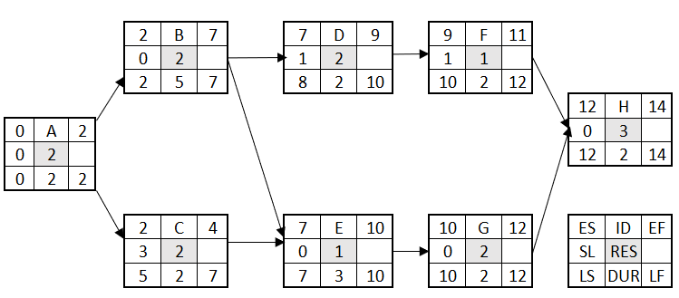
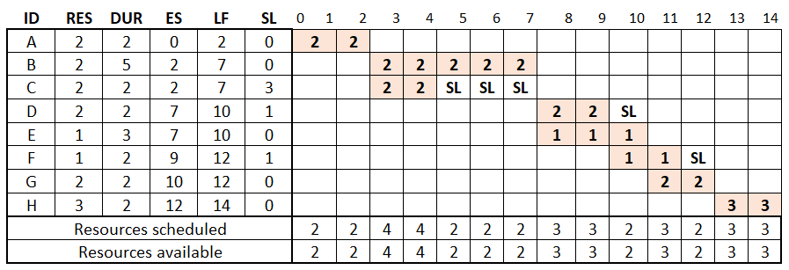

ID | RES | DUR | ES | LF | SL | 1 | 2 |  | 3 |  | 4 |  | 5 |  | 6 |  |  |  | 9 |  | 10 |  |  | 12 |  | 13 |  | 14 |  | 15 |  |  | 17
A | 2 | 2 | 0 | 2 | 0 | 2 |  | 2
B | 2 | 5 | 2 | 7 | 0 |  |  |  |  | 2 |  | 2 |  | 2 |  | 2 | 2
C | 2 | 2 | 7 | 9 | -2 |  |  |  |  | X |  | X |  | X |  | X | X | 2 |  | 2
D | 2 | 2 | 9 | 11 | -1 |  |  |  |  |  |  |  |  |  |  |  |  | X |  | X |  | 2 | 2
E | 1 | 2 | 9 | 12 | -2 |  |  |  |  |  |  |  |  |  |  |  |  | X |  | X |  | 1 | 1 |  | 1
F | 1 | 2 | 11 | 14 | 0 |  |  |  |  |  |  |  |  |  |  |  |  |  |  |  |  | X | X |  | 1 |  | 1 |  | SL
G | 2 | 2 | 12 | 14 | -3 |  |  |  |  |  |  |  |  |  |  |  |  |  |  |  |  | X | X |  | X |  | 2 |  | 2
H | 3 | 2 | 14 | 16 | -2 |  |  |  |  |  |  |  |  |  |  |  |  |  |  |  |  |  |  |  |  |  | X |  | X |  | 3 | 3
Resources scheduled |  |  |  |  |  | 2 |  | 2 |  | 2 |  | 2 |  | 2 |  | 2 | 2 | 2 |  | 2 |  | 3 | 3 |  | 2 |  |  |  | 2 |  | 3 | 3 |  | 0
Resources available |  |  |  |  |  | 3 |  | 3 |  | 3 |  | 3 |  | 3 |  | 3 | 3 | 3 |  | 3 |  | 3 | 3 |  | 3 |  |  |  | 3 |  | 3 | 3 |  | 3
 |  |  |  |  |  |  |  |  |  | B:0 |  |  |  |  |  |  |  | C:3-5=-2 |  |  |  | E:0-2=-2
 |  |  |  |  |  |  |  |  |  | C:3 |  |  |  |  |  |  |  | D:1 |  |  |  | D:1-2=-1

Sheet2
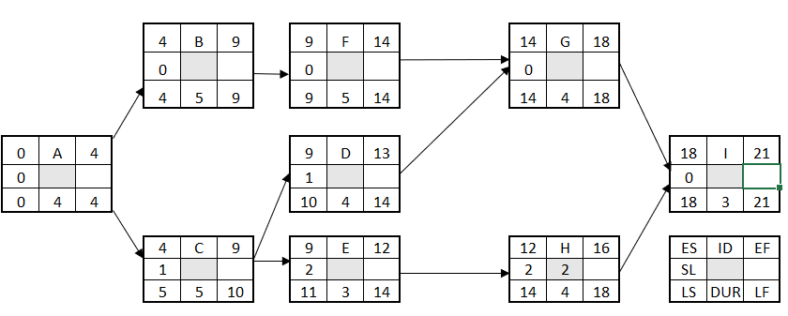

Indirect Cost is $1500 with $55 reduction for one time unit shorten
Activity ID | Slope ($) | Max crash time | Direct Cost
 |  |  | Normal |  | Crash
 |  |  | Time | Cost | Time | Cost
A | - | 0 | 4 | 130 | 4 | 130
B | 25 | 2 | 5 | 200 | 3 | 250
C | 15 | 1 | 5 | 100 | 4 | 115
D | 20 | 3 | 4 | 50 | 1 | 110
E | 20 | 2 | 3 | 250 | 1 | 290
F | 10 | 2 | 5 | 40 | 3 | 60
G | 30 | 1 | 4 | 120 | 3 | 150
H | 40 | 1 | 4 | 210 | 3 | 250
I | 50 | 1 | 3 | 100 | 2 | 150
 |  |  |  | 1200
Project duration | Crashed activities | Crash cost | direct cost | Indirect cost | Total cost | ABFGI | ACDGI | ACEHI
21 | - | - | 1200 | 1500 | 2700 | 21 | 20 | 19 | A | B | F | G | I
20 | F | 10 | 1210 | 1445 | 2655 | 20 | 20 | 19 | BC | BD | FC | FD | G | I
19 | FC | 25 | 1235 | 1390 | 2625 | 19 | 19 | 18 | BD | G | I
18 | G | 30 | 1265 | 1335 | 2600 | 18 | 18 | 18 | BDE:65 | BDH:85 | I:50
17 | I | 50 | 1315 | 1280 | 2595 | 17 | 17 | 17 | BDE:65 | BDH:85
16 | BDE | 65 | 1380 | 1225 | 2605 | 16 | 16 | 16
15 | BDE | 65 | 1445 | 1170 | 2615 | 15 | 15 | 15

